grain size analysis
before the flood (2010)
after the flood (2010)
mean
percent passing(%)
particle size (mm)
* grain-size distribution of bed material (2010) _ Grab sampler(60L)
particle size time | D35(mm) | D50(mm) | D65(mm) | D90(mm) | 균등계수 Coefficient of uniformity (Cu) | 곡률계수 Coefficient of curvature (Cg)
평군 (mean) | 0.87 | 1.11 | 1.46 | 2.78 | 2.78 | 1.01

before the flood (2011)
after the flood (2011)
mean
percent passing(%)
particle size (mm)
* grain-size distribution of bed material (2011) _ grid sampling(Hack_1947)
particle size time | D35(mm) | D50(mm) | D65(mm) | D90(mm) | 균등계수 Coefficient of uniformity (Cu) | 곡률계수 Coefficient of curvature (Cg)
평군 (mean) | 0.87 | 1.08 | 1.39 | 2.17 | 2.41 | 0.98

* grain-size distribution of bed material (2012) _ grid sampling(Hack_1947)

* particle size distribution of suspended sediment (2012) |  |  |  |  |  |  |  |  |  | * grain-size distribution of bed material (2012)

No | particle size distribution of suspended sediment (%) |  |  |  |  |  |  |  |  | particle size time | D10 | D30 | D35 | D60 | D65 | 균등계수 Coefficient of uniformity (Cu) | 곡률계수 Coefficient of curvature (Cg)
 | range (mm) |  |  |  |  |  |  |  | sum | 홍수전 (before the flood) | 0.45 | 0.69 | 0.72 | 1.00 | 1.17 | 1.45 | 1.07
 | 0.0020~ | 0.0222~ | 0.0313~ | 0.0423~ | 0.0626~ | 0.1251~ | 0.2501~ | 0.5001~ |  | 홍수후(after the flood ) | 0.54 | 0.82 | 0.87 | 1.63 | 1.66 | 1.98 | 0.77
 | 0.0221 | 0.0312 | 0.0422 | 0.0625 | 0.125 | 0.25 | 0.5 | 1 |  | 평균 (mean) | 0.50 | 0.74 | 0.79 | 1.30 | 1.50 | 1.75 | 0.84
1 | 42.3 | 17.2 | 31.2 | 6.7 | 2.6 | 0 | 0 | 0 | 100 | particle size time | D5 | D10 | D15 | D20 | D25 | D30 | D35 | D40 | D45 | D50 | D55 | D60 | D65 | D70 | D75 | D80 | D85 | D90 | D95 | D100
2 | 44 | 14.9 | 24.9 | 11.3 | 4.1 | 0.5 | 0.2 | 0.1 | 100 | 홍수전 (before the flood) | 0.27 | 0.45 | 0.52 | 0.58 | 0.63 | 0.69 | 0.72 | 0.77 | 0.82 | 0.87 | 0.84 | 1.00 | 1.17 | 1.33 | 1.19 | 1.38 | 2.20 | 2.79 | 3.65 | 8.00
3 | 46.5 | 18.6 | 21.3 | 7 | 4 | 1.3 | 1.1 | 0.2 | 100 | 홍수후 (after the flood ) | 0.48 | 0.54 | 0.64 | 0.71 | 0.76 | 0.82 | 0.87 | 0.93 | 1.10 | 1.26 | 1.43 | 1.63 | 1.66 | 2.13 | 2.66 | 3.19 | 3.78 | 5.33 | 7.72 | 16.00
4 | 49.8 | 15.4 | 22.9 | 6.8 | 3.4 | 1.2 | 0.4 | 0.1 | 100 | 평균 (mean) | 0.42 | 0.50 | 0.58 | 0.64 | 0.69 | 0.74 | 0.79 | 0.84 | 0.90 | 0.96 | 1.13 | 1.30 | 1.50 | 1.69 | 1.45 | 2.40 | 2.73 | 3.72 | 5.73 | 16.00
5 | 42.5 | 21.1 | 24.4 | 8.5 | 3 | 0.2 | 0.2 | 0.1 | 100
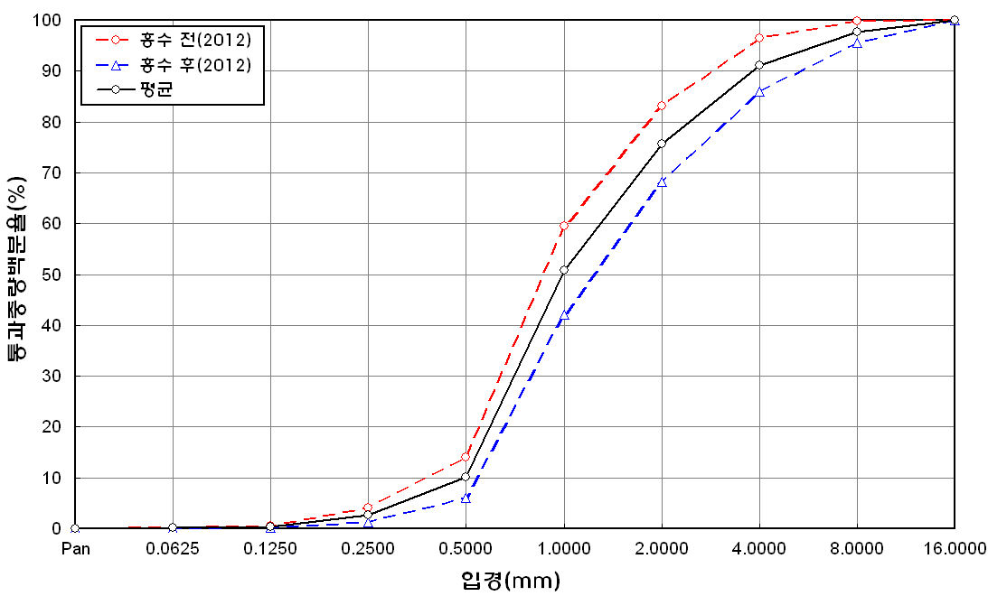
before the flood (2012)
after the flood (2012)
mean
percent passing(%)
particle size (mm)
6 | 50.5 | 9.6 | 26.5 | 7 | 3.5 | 1.4 | 1.2 | 0.3 | 100
7 | 46.2 | 17.4 | 27.2 | 7.6 | 0.9 | 0.3 | 0.2 | 0.2 | 100
8 | 46.6 | 15.1 | 19.8 | 10.2 | 6.6 | 1.6 | 0.1 | 0 | 100
9 | 46.4 | 12.7 | 22.3 | 10 | 5.6 | 2.5 | 0.5 | 0 | 100
10 | 47.7 | 16.5 | 20.5 | 7.9 | 6.2 | 0.7 | 0.4 | 0.1 | 100
11 | 45.6 | 16.6 | 19.6 | 7.7 | 5.7 | 2.9 | 1.3 | 0.6 | 100
12 | 49.9 | 20.5 | 21.7 | 2 | 3.4 | 1.5 | 0.8 | 0.2 | 100
13 | 67.6 | 6.2 | 17.8 | 4.7 | 2.2 | 0.8 | 0.6 | 0.1 | 100
14 | 50.2 | 17.4 | 23.4 | 5.8 | 3.2 | 0 | 0 | 0 | 100
15 | 54.8 | 14.9 | 18 | 7.2 | 2.9 | 1.4 | 0.6 | 0.2 | 100
16 | 48.1 | 18.2 | 20.6 | 4.8 | 2.8 | 3.4 | 1.8 | 0.3 | 100
17 | 51 | 17.6 | 20.3 | 7.1 | 1.5 | 1.4 | 0.8 | 0.3 | 100
18 | 50.2 | 14.5 | 18.6 | 8.2 | 4.5 | 2.5 | 1 | 0.5 | 100
19 | 49.6 | 16 | 19.7 | 6.9 | 5.3 | 1.5 | 0.6 | 0.4 | 100
20 | 49.8 | 15.6 | 20.7 | 5.6 | 2.7 | 3.1 | 2.2 | 0.3 | 100
21 | 47.5 | 14.3 | 20.1 | 7.6 | 6.3 | 1.9 | 1.8 | 0.5 | 100
22 | 55.1 | 11.8 | 18.1 | 8 | 4.8 | 1.2 | 0.5 | 0.5 | 100
min | 42.3 | 6.2 | 17.8 | 2 | 0.9 | 0 | 0 | 0 | -
max | 67.6 | 21.1 | 31.2 | 11.3 | 6.6 | 3.4 | 2.2 | 0.6 | -
mean | 49.2 | 15.6 | 21.8 | 7.2 | 3.9 | 1.4 | 0.7 | 0.2 | 100

